Canvassed
Brand | Model | Price | Sample Photo | Online Source | Store | Specifications | Specifications from Mr. Armando Ison
Wall Fans
Dowell | WF3 217 | ₱1,100.00 |  | https://www.dowellphilippines.com/products/cooling#h.7jbs3teg0nui | Abenson Waltermart General Trias
Dowell | WF18AS | ₱1,692.00 |  | https://www.abenson.com/wf18as.html
Dowell | WF3-248AS | ₱1,660.00 |  | https://www.abenson.com/dowell-wf3-248as.html
Ceiling/Orbit Fans
Dowell | OF-160 | ₱1,995.00 |  | https://www.dowellphilippines.com/products/cooling#h.7jbs3teg0nui | Abenson Waltermart General Trias | 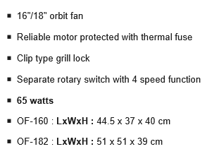
Hanabishi | Rotator Fan RF16R | ₱2,095.00 |  | https://myhanabishi.com/products/orbit-fan

